Sheet1
 |  | Document No. | Issue No. | Issue Date |  | Review and Replace Date |  | Authorised By
 |  | GFF452MC | 3 | 05.09.2024 |  | 28.08.2025
 |  | Document Title | GAZEBO DELI NAWABI LAMB KOFTA CURRY 1250g
 |  | Packaging Changed |  |  | Page |  | 1 of 1 | Magda Shah
Document amendments reason for change |  |  |  |  | Previous Issue Date |  | 14.05.2025 | Uncontrolled copy unless signed original

CLNKO-B1B | GAZEBO DELI - BOOTHS |  | GAZEBO DELI NAWABI LAMB KOFTA CURRY 1250g
STEP 1 |  |  |  |  | STEP 2
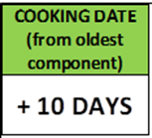 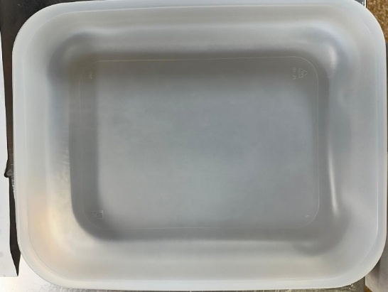 |  |  |  |  | 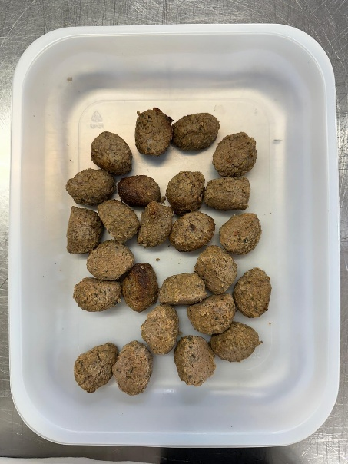

Tray: 597 natural (320x245x50mm) -PKPRO001-20 Film: S340AF 340mmX510mm AF&HB Weld- PKPRO001-17 |  |  |  |  | Lamb Kofta (GFF492R): 420g

STEP 3 |  |  |  |  | STEP 4
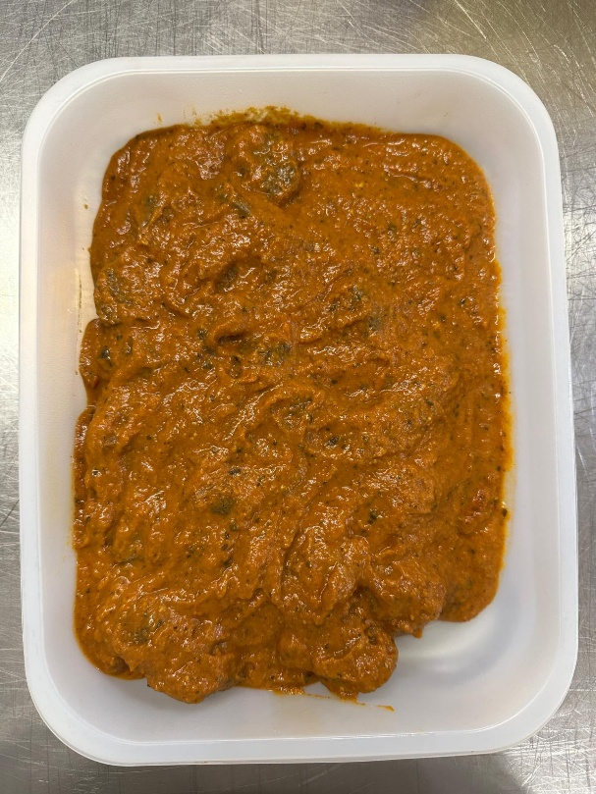 |  |  |  |  | 

Nawabi Sauce (GFF321R): 830g |  |  |  |  | NAWABI LAMB KOFTA CURRY 1250g |  |  |  | 1250g
ALLERGY ALERT: BARLEY, Milk, Nuts(Cashew)

